Fig1.1
 | owner occupied | private rented | local authority | housing association
1996 | 68.5 | 9.8 | 17.1 | 4.6
2001 | 69.8 | 10.2 | 13.3 | 6.7
2003 | 70.8 | 10.3 | 11.4 | 7.5
2004 | 70.7 | 10.8 | 10.8 | 7.7
2005 | 70.4 | 11.3 | 9.9 | 8.3
2006 | 70.2 | 11.9 | 9.5 | 8.4
2007 | 70.1 | 12.3 | 9.0 | 8.6
2008 | 67.5 | 14.8 | 8.9 | 8.8
2009 | 67.0 | 16.1 | 8.1 | 8.8
2010 | 66.4 | 16.6 | 8.0 | 9.0
2011 | 64.9 | 17.7 | 8.3 | 9.2
2012 | 65.1 | 18.1 | 7.8 | 9.0
2013 | 63.5 | 19.2 | 7.3 | 10.1
2014 | 63.1 | 19.6 | 7.2 | 10.1
Figure 1.1: Housing stock, by tenure, 1996 to 2014 | Underlying Data for Figure 1.1: Housing stock, by tenure, 1996 to 2014
 |  | 1996 | 2001 | 2003 | 2004 | 2005 | 2006 | 2007 | 2008 | 2009 | 2010 | 2011 | 2012 | 2013 | 2014
 |  |  |  |  |  |  |  |  |  |  |  |  |  |  | percentages
 | owner occupied | 68.5 | 69.8 | 70.8 | 70.7 | 70.4 | 70.2 | 70.1 | 67.5 | 67.0 | 66.4 | 64.9 | 65.1 | 63.5 | 63.1
 | private rented | 9.8 | 10.2 | 10.3 | 10.8 | 11.3 | 11.9 | 12.3 | 14.8 | 16.1 | 16.6 | 17.7 | 18.1 | 19.2 | 19.6
 | local authority | 17.1 | 13.3 | 11.4 | 10.8 | 9.9 | 9.5 | 9.0 | 8.9 | 8.1 | 8.0 | 8.3 | 7.8 | 7.3 | 7.2
 | housing association | 4.6 | 6.7 | 7.5 | 7.7 | 8.3 | 8.4 | 8.6 | 8.8 | 8.8 | 9.0 | 9.2 | 9.0 | 10.1 | 10.1

 | all dwellings | 100.0 | 100.0 | 100.0 | 100.0 | 100.0 | 100.0 | 100.0 | 100.0 | 100.0 | 100.0 | 100.0 | 100.0 | 100.0 | 100.0

Base: all dwellings
Notes:

Base: all dwellings
Notes:
1) underlying data are presented in Annex Table 1.2
2) There was no change in owner occupation between 2013 and 2014, so the decline in owner occupation seems to have abated.
Sources:
1996 to 2007: English House Condition Survey;
2008 onwards: English Housing Survey, dwelling sample

Fig1.2
Figure 1.2: Dwelling age by tenure, 1996 and 2014

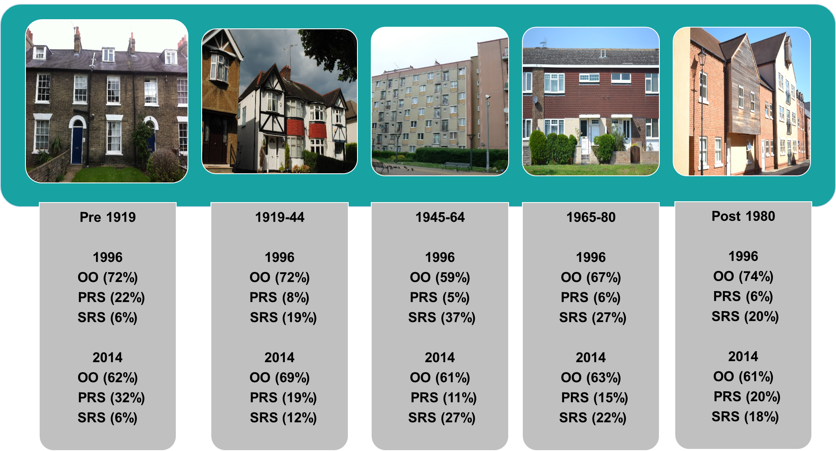
 | Underlying Data for Figure 1.2: Dwelling age, by tenure, 1996 and 2014
 |  | owner occupied | private rented | all social sector | all dwellings
 |  |  |  |  | percentages
 | 1996
 | pre 1919 | 72.0 | 21.8 | 6.2 | 100.0
 | 1919 to 1944 | 72.4 | 8.2 | 19.5 | 100.0
 | 1945 to 1964 | 58.7 | 4.5 | 36.8 | 100.0
 | 1965 to 1980 | 67.3 | 6.0 | 26.7 | 100.0
 | post 1980 | 74.0 | 6.3 | 19.7 | 100.0

 | 2014
 | pre 1919 | 62.0 | 32.3 | 5.8 | 100.0
 | 1919 to 1944 | 68.8 | 18.8 | 12.4 | 100.0
 | 1945 to 1964 | 61.3 | 11.4 | 27.3 | 100.0
 | 1965 to 1980 | 63.3 | 14.6 | 22.1 | 100.0
 | post 1980 | 61.5 | 20.3 | 18.2 | 100.0

Base: all dwellings
Notes:
1) underlying data are presented in Annex Table 1.4
2) figures may not add to 100% due to rounding
3) Key: OO =owner occupied, PRS=private rented SRS=all social sector
4) pictures from BRE photo library
Sources:
1996: English House Condition Survey;
2014: English Housing Survey, dwelling sample

Fig1.3
Figure 1.3: Types of dwellings, 1996, 2005 and 2014

 | Underlying Data for Figure 1.3: Types of dwellings, 1996 to 2014
 |  |  |  | thousands of dwellings
 |  | 1996 | 2005 | 2014
 | terraced | 5,878 | 6,299 | 6,730
 | semi/detached | 8,485 | 9,651 | 9,835
 | bungalow | 2,065 | 2,026 | 2,147
 | converted flat | 881 | 716 | 863
 | purpose built flat | 3,026 | 3,088 | 3,797
 | total | 20,335 | 21,781 | 23,371

Base: all dwellings
Note: underlying data are presented in Annex Table 1.5
Sources:
1996 and 2005: English House Condition Survey;
2014: English Housing Survey, dwelling sample

Fig1.4
Figure 1.4: Changes in tenure profile of purpose built flats by tenure, 1996, 2005 and 2014

 | Underlying Data for Figure 1.4: Changes in tenure profile of purpose built flats by tenure, 1996 to 2014
 | purpose built |  |  | percentages
 |  | 1996 | 2005 | 2014
 | owner occupied | 27.0 | 30.3 | 25.7
 | private rented | 12.0 | 18.4 | 31.5
 | local authority | 46.0 | 28.9 | 19.3
 | housing association | 15.0 | 22.5 | 23.6
 | all tenures | 100.0 | 100.0 | 100

Base: all dwellings
Note: underlying data are presented in Annex Table 1.5
Sources:
1996 and 2005: English House Condition Survey;
2014: English Housing Survey, dwelling sample

Fig1.5
Figure 1.5: Dwellings in cities and urban areas, by tenure, 1996, 2005 and 2014

 | Underlying Data for Figure 1.5: Homes in cities and urban areas, by tenure, 1996 to 2014
 |  |  |  | thousands of dwellings
 |  | 1996 | 2005 | 2014
 | owner occupied | 2,295 | 2,782 | 2,213
 | private rented | 779 | 946 | 1,732
 | local authority | 868 | 711 | 534
 | housing association | 304 | 563 | 610
 | all tenures | 4,246 | 5,002 | 5,089

Base: all dwellings
Note: underlying data are presented in Annex Table 1.7
Sources:
1) 1996 and 2005: English House Condition Survey;
2) 2014: English Housing Survey, dwelling sample

Fig1.6
Figure 1.6: Vacant dwellings by tenure, 2005 to 2014 | Underlying Data for Figure 1.6: Vacant dwellings, by tenure, 2005 to 2014
 |  |  |  |  |  | thousands of dwellings
 |  | owner occupied | private rented | local authority | housing association | all tenures
 | 2005 | 363 | 253 | 128 | 80 | 824
 | 2008 | 398 | 438 | 88 | 92 | 1016
 | 2011 | 413 | 397 | 75 | 82 | 967
 | 2014 | 467 | 456 | 47 | 99 | 1068

Base: all dwellings
Note: underlying data are presented in Annex Table 1.8
Sources:
1) 2005: English House Condition Survey;
2) 2008 to 2014: English Housing Survey, dwelling sample

Fig1.7
Figure 1.7: Vacant dwellings by dwelling age, 2005 to 2014
 | Underlying Data for Figure 1.7: Vacant homes, by dwelling age, 2005 to 2014
 |  |  |  |  |  | thousands of dwellings
 |  | pre 1919 | 1919 to 1944 | 1945 to 1964 | 1965 to 1980 | post 1980
 | 2005 | 241 | 137 | 130 | 205 | 112
 | 2008 | 337 | 143 | 169 | 159 | 208
 | 2011 | 290 | 101 | 159 | 193 | 223
 | 2014 | 349 | 137 | 116 | 229 | 238

Base: all dwellings
Note: underlying data are presented in Annex Table 1.8
Sources:
1) 2005: English House Condition Survey;
2) 2008 to 2014: English Housing Survey, dwelling sample

